Receipt_Template
St. Gregorios Orthodox Syrian Church and Pilgrim Centre |  |  |  | 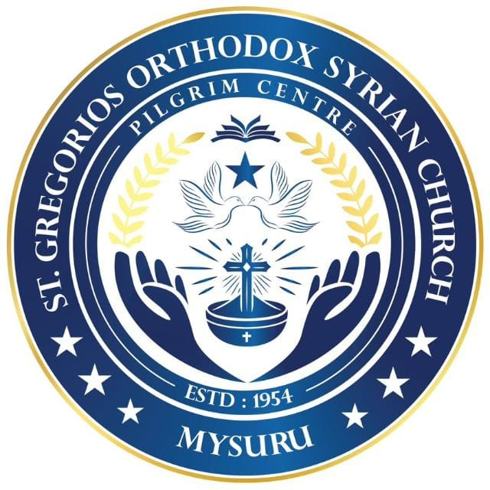 | St. Gregorios Orthodox Syrian Church and Pilgrim Centre
Government House Road, Nazarbad, Mysuru |  |  |  |  | Government House Road, Nazarbad, Mysuru
 | Original |  |  |  | COPY | Original
 | Receipt No | 4274 | Date: | 2026-07-21 |  | Receipt No | 4274 | Date: | 2026-07-21

Received With Thanks From: |  |  |  |  | Received With Thanks From:
 | Abraham.M.O |  | Register No: | 2 |  | Abraham.M.O |  | Register No: | 2

Sl. No | Particulars |  |  | Rs. | Sl. No | Particulars |  |  | Rs.

 |  |  | Total |  |  |  |  |  | 922

Nine Hundred Twenty Two Rupees Only |  |  |  |  | Nine Hundred Twenty Two Rupees Only

 |  |  | Vicar / Trustee. |  |  |  |  | Vicar / Trustee.

